Sheet1
English label | Description |  | German label | Reference
 |  |  | ?
 |  |  | ?
OverView | This is a tab page which holds all details of Rules |  | Übersicht
Source | This is a tab page |  | Quelle
Destination | This is a tab page |  | Ziel
Method | This is will display types of allocation(Percentage type or Basis type) |  | Methoden
New | This is a button to create new record |  | Neu
Main Account | This is a field will display Accounts |  | Hauptkonto
Loading |  |  | Laden
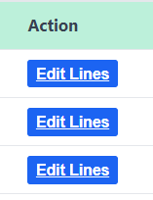
Actions | This a header level field which will display a button on line level . | Does it mean that something is or will be executed? | Aktion
Edit Lines | This a button , when we click on this it will take us to another form where we can able to edit lines |  | Zeilen hinzufügen
Sequence No | Field |  | laufende Nummer
Save | This is a button to save the data |  | Speichern
Edit | This is a button to Edit the data |  | Bearbeiten
Pre Allocation balance | Field |  | Zwischensaldo der Verteilung
Please wait we are processing your request |  |  | Bitte warten Sie, Ihre Anfrage wird bearbeitet.

